Pushing Code
PUSH CODE FROM LOCAL REPO TO AZURE DEVOPS

S.NO | COMMANDS | SCREENSHOTS
1 | •CMD - git init •First wee go the exact loaction of the local repos and initalize the git
2 | •CMD - git remote add origin link of repo in azure devops •Then we need to add orgin where the code is to be pushed
3 | •CMD - git status •This command is used to check the status of the git
4 | •CMD - git add . •The git add command adds a change in the working directory to the staging area
5 | •CMD - git status •This command is used to check the status of the git | 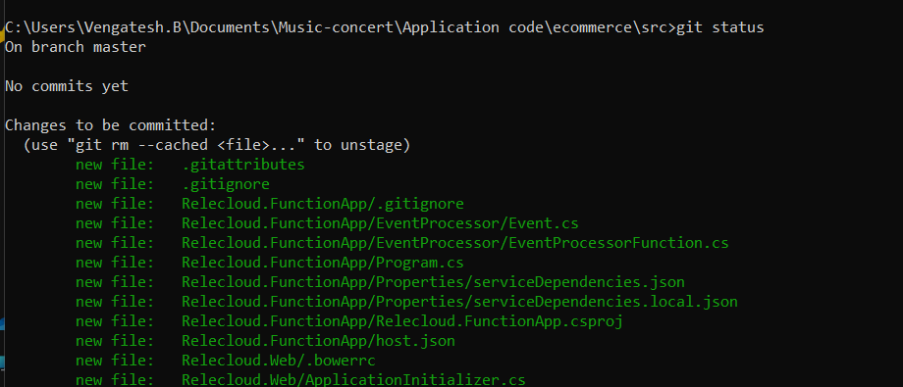
6 | •CMD - git commit -m "Commit changes" •This cmd is used to commit the changes in the repos or files
7 | •CMD - git push -uf origin master •This cmd is used to push the local code to azure devops

Sheet1
JSON | •JavaScript Object Notation •Commonaly used for API's and Configs •Used for transmitting data in web application •It's a superset of Java Script • It is lightweight, requires coding and processes faster •Everything in JSON file supports Javascript •cmd - JSON.parse - it converts strings into objects
Types | •Strings •Numbers •Booleans •Null •Objects - {key: value} •Arrays - []

YAML | •Yet Another Markup Language •It just a key value pair •Used for writing configuration files •YAML is used by Ansible automation tool to create automation process | 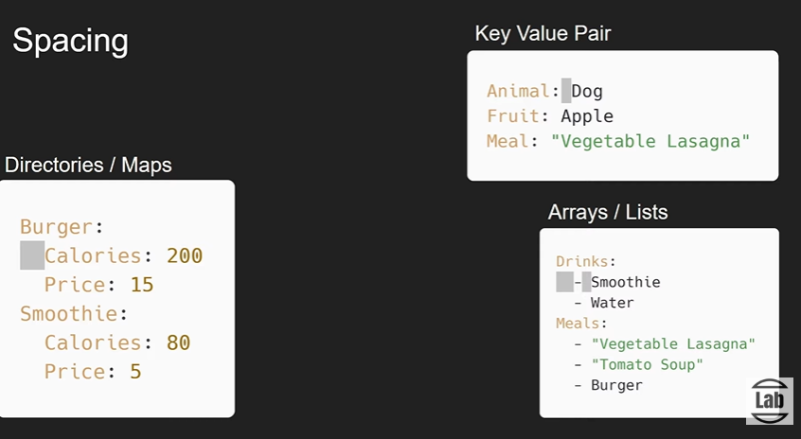

Sheet3
DevOps | •Set of practice
DevOps Tools | 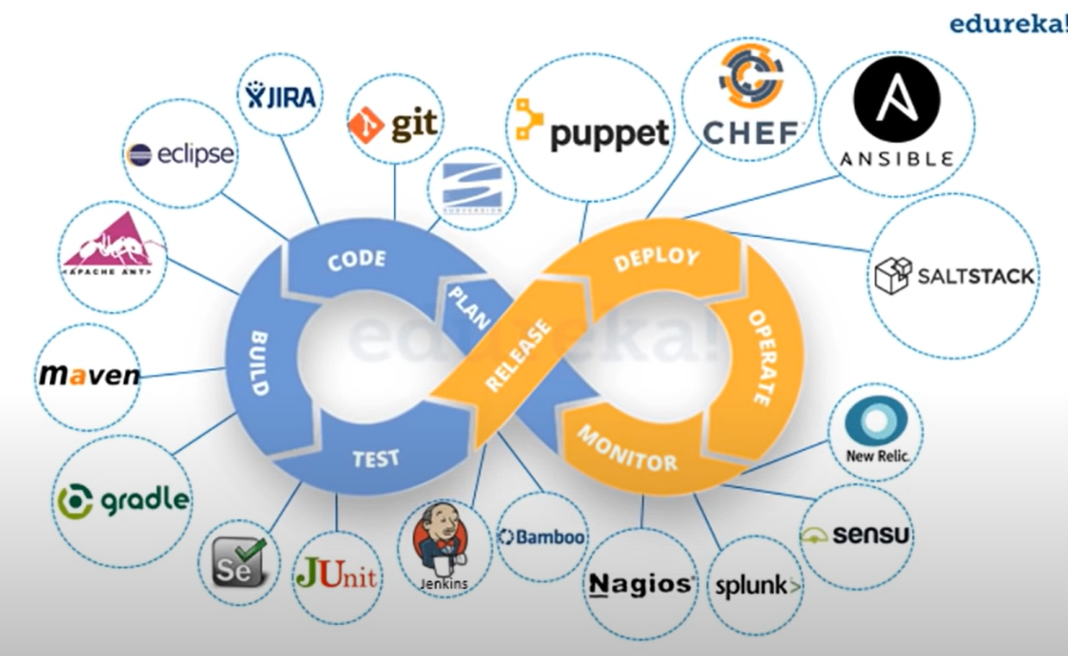
AD B2C | 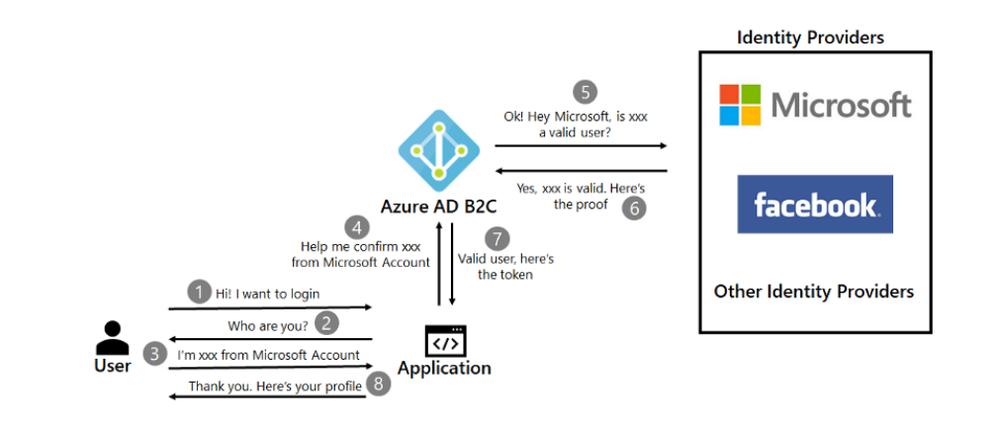
Azure Queue Storage

IAC
IAC | •Infrastructure as a Code •Means to manage your IT Infrastrucuture using Configuration Files •Best practice for automation the infrastructure deployment with minimal human Interaction •Also helps to create a same resources in different Environments like(Dev, Test, QA, Master)
Advantages of IAC | •Faster and Consistency - eliminating manual processes and reduces the time •Reduced Risk - Removes human errors, like manual configuration
Tools of IAC | •Terraform •Chef ( Pull based) •Puppet (Pull based) •Ansible ( Push Based )
Approach or Methods by IAC | •Imperative approach - "gives orders". •It defines a sequence of commands or instructions so the infrastructure can reach the final result •Declarative Approach - "Declares the desired Outcome" (Teraform) • Instead of explicitly outlining the sequence of steps the infrastructure needs to reach the final result
Mutable Infrastructure | •Mutable - Ability to change - to mutate into something new •Eg : You created a app services in a VM, after a while users are get more into your app services •We need to make new changes to our serrvers without moving the data to a new machine •PROS: Do not need to build servers from scratch • Roll out updates for individual servers makes updates faster •CONS : we canot run a test case , whenproblem arises it is hard to find the errors •Debugging is time consuming process.
Immutable Infrastructure | •Immutable - state of being Unchangeable •It means Infrastructure canot be modified once deployed •When we want to upgrade your server, we can not roll out an upgrade. Instead you create a new machine •PROS: Easier tracking- we create new versions of the server each time •Easier to test differebt servers and roll out updates because configuration in each server are indiudivally. •CONS: Can't modify Existing servers. | x
ARM Template vs Terraform | •ARM TEMPLATE - Microsoft as a cloud provider , its onws IAC tool •It's a JSON file which allows as to deploy resources in Azure portal •TERRAFORM - It's a open source , created by hoshi corp •Supports on other cloud providers platform too | 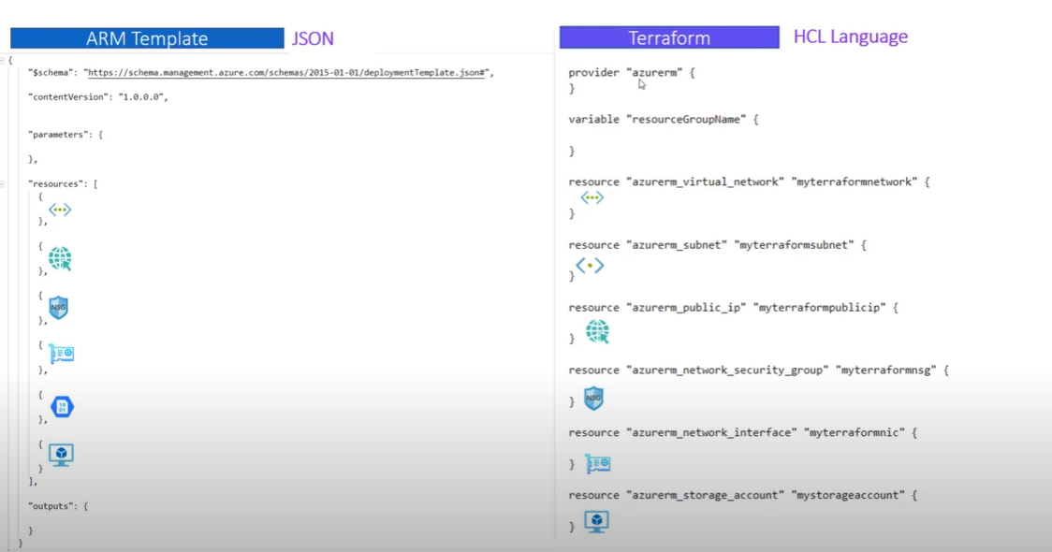
ARM Template | •Azure Resource Manager templates allows you to create and deploy an entire Azure Infrastructure as a code •Multiple Deployment interfaces •Azure SDK - devlopers to leverage the wide variety of azure services in their languages of choices. •Azure Resource Manager is a centralized layer •Communicates with Resource providers | 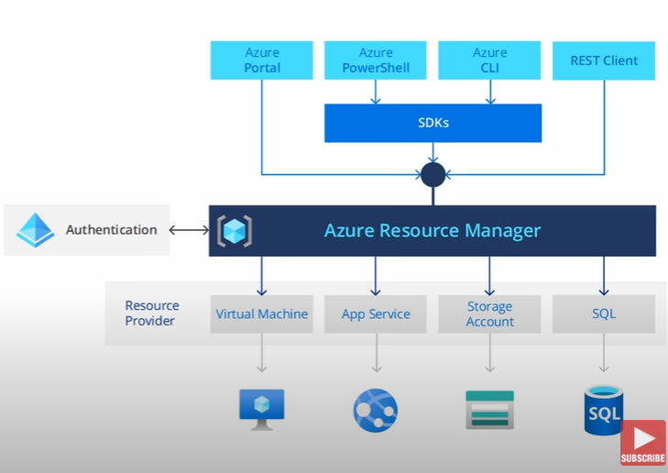
JSON File elements | •Schema - Specifies the Location of the JSON file •Describes the properties available in the template •Content version - Specifies the version of templates •Resources-Contains the resources you want to deploy or update. • Parameters - It is an additional use • Defintion of input parameters for template • Varaibles - •Output -
Key Concepts for creating a template | •Type - What service is to be created •Api version - Resource mangement is to talk to the Resources. Version of Resource mangement •Name- •Location •SKU - | 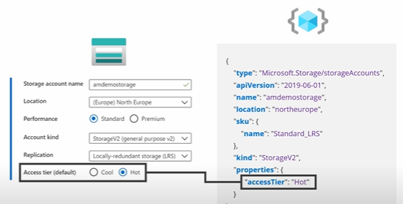
Benefits Of ARM Templates | •Repeatable results •Declarative Syntax •Built in vaildation •Tracked Templates

